STEP BY STEP
FORMAT where 3.5 years of data already available |  |  |  |  |  | Till 13th June 2020

Start with Revenue
 | Break down revenue (in this case into 7 segments)
 | Forcast organic growth and ignore special items after reconciling them from the financial reports

Go down the I/S forecasting each item as a % of sales EXCEPT Schedule related lines like interest/ammortization/depr expense

Move to net block Schedule
 | For previous years to get PPE Turnover(for addition of PPE which justifies sales growth) and Depr rate
 |  | Get opening and closing and depr from reports
 |  | Get depreciation
 |  | back calculate depr then depr rate and PPE Turnover
 |  | Do same for ammort and get ammortization rate |  |  |  |  | But here intangible does not support sales so turnover NOT calculated so how do we get ? WE ASSUME NO NET ADDITION (which happen through acq and merg)
 | For Forcast years
 |  | Use PPE Turnover and sales to get required PPE |  |  |  |  | This is BEFORE Depr
 |  | You can now get depr from depr rate and ppe and net addition from opening and PPE ( so two tasks after previous step)
 |  |  |  |  |  |  |  |  |  |  |  |  |  |  |  |  |  |  |  |  |  |  |  | Kd | PRE TAX COST OF DEBT |  |  | Current Cost of Issuing new long term debt ,not historical interest rates ,since WACC is used for future CF discounting
 |  | Now link the forcasted depr expenses to I/S |  |  |  |  | In this case the depr expense is split into Depr expense and Coporate depr and amort(yes I know amort in depr) exp |  |  |  |  |  |  |  |  |  |  | Use historical ratio to forcast and back calculate split |  |  | Don’t forget /2 for 6 months |  |  |  | 3 ways |  |  |  |  |  |  |  | But if current and not historical then what if earlier 6% and now 10%? How do we realize the advantage
 |  | For ammortizable assets directly ammortize the opening balance after assuming 0 new addition and link to I/S |  |  |  |  |  |  |  |  |  |  |  |  |  |  |  |  |  |  |  |  |  |  | 1 | Recent Debt issued by company |  |  |  |  |  |  |  | the 4% saved over the periods will be discounted and reflected in MARKET VALUE OF DEBT ( earlier 100M but saved 4M say over 5 years so now MV of Debt is now 100-17.5 = 82.5
 |  |  |  |  |  |  |  |  |  |  |  |  |  |  |  |  |  |  |  |  |  |  |  |  | 2 | Rating based default spread (Country + Company) + Risk Free rate
 |  |  |  |  |  |  |  |  |  |  |  |  |  |  |  |  |  |  |  |  |  |  |  |  | 3 | Current Bond Yeild on Companys Debt Given they trade on the market
 |  |  |  |  |  |  |  |  |  |  |  |  |  |  |  |  |  |  |  |  |  |  |  |  |  |  | The price will change due to demand and YTM will converge to the current debt interest rate
Leave Debt Schedule for now and move to CashFlowStatement |  |  |  |  |  |  |  |  |  |  |  |  |  |  |  |  |  |  |  |  |  |  |  |  |  |  |  | (if debt interest rate is higher why would I invest in company bond -> Price drop of bond -> YTM increase to match
 |  |  |  |  |  |  |  |  |  |  |  |  |  |  |  |  |  |  |  |  |  |  |  |  |  |  |  | (if bond YTM is higher why would I invest in Debt Funds -> Price increase of bond -> YTM decreases to match
CashFlowStatement
 | CFO |  |  |  |  |  |  |  |  | Interest COST here only as not added back after taking NI (NI already inclused interest as a cost)
 |  | Start from netIncome import from I/S
 |  | add back depr and ammort |  |  |  |  |  |  |  |  |  |  |  |  |  |  |  |  |  |  |  |  |  | T | TAX RATE
 |  | for share based compensation (which is to be added back since it’s a non cash expese) project it as a % of SG&A from previous years from I/S and then import it in CFS |  |  |  |  |  |  |  |  |  |  |  |  |  |  |  |  |  |  |  |  |  |  | Always marginal Rate which is Taxed on the NEXT unit of earnings |  |  |  |  |  | WACC is forward looking
 |  | Change in operating assets will come from B/S |  |  |  |  | Move to B/S for now for 4 items |  |  |  |  |  |  |  |  |  |  |  |  |  |  |  |  |  | NOT average effective rate of Tax

 |  | B/S Working Balance for CFO only (rest later) |  |  |  |  |  |  |  |  |  |  |  |  |  |  |  |  |  |  |  |  |  | D/V | Weightage of debt
 |  |  | Accounts reciavble, Inventories, Prepaid expenses are Operating current assets |  |  |  |  |  |  |  |  |  |  |  |  |  |  |  |  |  |  |  |  |  | Debt includes all INTEREST BEARING liabilities (st+lt+capital leases)
 |  |  | Accounts payable and other current liabetes is Operating current Liabilities |  |  |  |  |  |  |  | the whole group IS SPLIT INTO 2 OPERATING AND NON OPERATING |  |  |  |  |  |  |  |  |  |  |  |  |  | includes Asset DEFECIT for employee benefit obligation |  |  |  |  | Pension Obligation > Assets to fund Obligation |  |  |  |  | Underfunded Pension Liability treated as liability
 |  |  |  |  |  |  |  |  |  |  |  |  |  |  |  |  |  |  |  |  |  |  |  |  | includes Operating leases if capitalized |  |  |  | It represents fixed contractual payment over a long term period of financing. So very similar to borrowing treated as liability
 |  |  | Project these 4 items through DPO DSO DIO and %age of sales (for prepaid expenses)
 |  |  | Link them first to the top of B/S where it actually is supposed to be |  |  |  |  |  |  | For acc payable you need to first input in the split area where non operating part is STILL TO BE PROJECTED and then back to the main b/s but right now only Operating is used so youre gucci |  |  |  |  |  |  |  |  |  |  |  |  |  |  | TARGET CAPITAL STRUCTURE USED NOT CURRENT |  |  |  |  | Forward looking
 |  |  | THEN calculate CHANGES IN B/S ITEMS in CFO |  |  |  |  |  |  | Here just do subtraction from previous period (6month - 1year allowed, makes sense)
 |  |  |  |  |  |  |  |  |  |  |  |  |  |  |  |  |  |  |  |  |  |  |  |  | Market value of debt used which depends on current interest rate |  |  |  |  |  | Because investors want required return demanded TODAY
 |  |  | CFO READY

 | CFI |  |  |  |  |  |  |  |  |  |  |  |  |  |  |  |  |  |  |  |  |  |  | Rf
 |  | Only one item there i.e. Capex |  |  |  |  |  |  |  |  |  |  |  |  |  |  |  |  |  |  |  |  |  |  | Country bond rates + moodys default spread according to country |  |  |  |  |  |  | if govt bond rate not there . GDP growth can act as good proxy
 |  | Already projected in Fixed Asset Schedule (ADDITION OF ASSETS of BOTH TANGIBLE AND INTANGIBLE but here will come with a negative sign) |  |  |  |  |  |  |  |  |  |  |  |  |  | Although addition of intangible was assumed to be zero |  |  |  |  |  |  |  |  | 10/20/30 year chosen depending on the DCF forecast period

 |  |  |  |  |  |  |  |  |  |  |  |  |  |  |  |  |  |  |  |  |  |  |  |  | (in valuations technically infinite period bond yeild should be used, but 10 years is usually used)

 |  |  |  |  |  |  |  |  |  |  |  |  |  |  |  |  |  |  |  |  |  |  |  |  | Real or nominal?
 | CFF |  |  |  |  |  |  |  |  |  |  |  |  |  |  |  |  |  |  |  |  |  |  |  |  | Depends on the cash flow of the company. Use same
 |  | Items like
 |  |  | Cash dividends paid
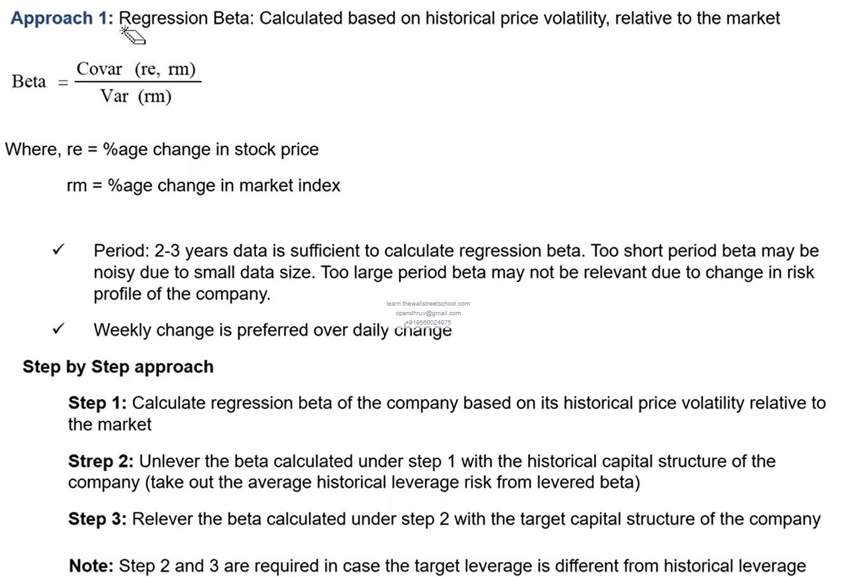
 |  |  |  | Divident per share in I/S from projecting Divident payout ratio from Divident per share and Earnings per share from previous years |  |  |  |  |  |  |  |  |  |  |  |  |  |  |  |  |  |  |  | Beta
 |  |  |  | now link after multiplying number of shares WITH A MINUS SIGN SINCE OUTFLOW |  |  |  |  |  |  |  |  |  |  |  |  |  |  |  |  |  |  |  |  | Risk related to MacroEconomic Scale
 |  |  |  |  |  |  |  |  |  |  |  |  |  |  |  |  |  |  |  |  |  |  |  |  | Includes Business Risk AND Leverage Risk |  |  |  |  |  |  |  |  |  |  | Check Beta Calculation Tab
 |  |  | Debt raised / repaid |  |  | Only after cash position of the company is know. Does the company need to take raise debt to obtain cash. So for CFF we need debt schedule and for debt schedule we need CFF |  |  |  |  |  |  |  |  |  |  |  |  |  |  |  |  |  | 2 ways
 |  |  |  | To tackle this we will split CFF into cash BEFORE raising and repaying debt |  |  |  |  |  |  |  |  |  |  |  |  |  |  |  |  |  |  |  | 1 | Covariance and var
 |  |  |  | Based on that we will judge if the company has taken debt |  |  |  |  |  |  |  |  |  |  |  |  |  |  |  |  |  |  |  | 2 | peers comparison

 |  |  |  |  |  |  |  |  |  |  |  |  |  |  |  |  |  |  |  |  |  |  |  | ERP
Debt Schedule |  |  |  |  |  |  |  |  |  |  |  |  |  |  |  |  |  |  |  |  |  |  |  | 1 | Historical indices
 | Calculate Cash Available for Dicretionary Use (used to predict debt raised/repayed) |  |  |  |  |  |  |  |  |  |  |  |  |  |  | Opening cash balance in Discretionary cash available is still left to be projected so Debt Raised/Repaid will change |  |  |  |  |  |  |  | 2 | Survey on expexted
 |  | Start with cash BEFORE debt raising and repayment
 |  | get opening cash balance from BS (Cash and equivalents) |  |  |  |  |  |  |  |  |  |  |  |  |  |  |  |  |  |  |  |  |  |  | ERP of Country = Matured market ERP + Country Risk Premium
 |  | Min cash required in bank for safety net(assume 2% of sales)
 |  | You get cash available for all debt including mandatory and discretionary repayment of debt

 |  | You need to less mandatory debt repayment to get Cash available for discretionary use
 |  |  | In the financial notes, it is mentioned when the mandatory debts are to be repaid. Sum them up for each period (from 2020[6months] to 2024)
 |  |  |  | Sum if repayment date is less than or equal to the period |  |  |  |  |  |  |  |  |  | use sumif
 |  |  |  | Then you will get cumulative debt till period
 |  |  |  | Subtract all previous years to get for that specefic date |  |  |  |  |  | Debt REPAYMENT hence -ve sign |  |  |  | use - sum(fixedcell:dynamiccell) |  |  |  |  |  |  |  |  |  | DCF VALUATION
 |  |  |  | add all and you get discretionary use
 |  |  |  |  |  |  |  |  |  |  |  |  |  |  |  |  |  |  |  |  |  |  |  |  | discount 4.5 years
 | Discretionary debt schedule |  |  |  |  |  |  |  |  |  |  |  |  |  |  |  |  |  |  |  |  |  |  |  | discount terminal value
 |  | Total Debt
 |  |  | From B/S Short term + Long Term liabilities |  |  |  |  |  |  |  |  |  |  |  |  |  |  |  |  |  |  |  |  |  | Add non operating value
 |  | Total Mandatory Debt |  |  |  |  |  |  |  |  |  |  |  |  |  |  |  |  |  |  |  |  |  |  |  | Investments in non controlled affiliates (Most recent)
 |  |  | From Financial Notes
 |  |  |  |  |  |  |  |  |  |  |  |  |  |  |  |  |  |  |  |  |  |  | You get | Firm Value
 |  | From Total Debt - Total Mandatory Debt = Opening Balance for Discretionary Debt |  |  |  |  |  |  |  |  |  |  |  |  |  |  |  |  |  |  |  |  | To get Equity value subtract claims of other stakeholders |  |  |  |  |  | link from 13th June 2020 as it’s the latest Confirmed

 |  | Opening balance for Discretionary Debt FY 2020 is Calculated = 3232 |  |  |  |  |  |  |  |  |  |  |  |  |  |  |  |  |  |  |  |  | You get | Equity Vaue
 |  |  |  |  |  |  |  |  |  |  |  |  |  |  |  |  |  |  |  |  |  |  | Get Exact shares on that day from Notes
 |  | Raise debt if Discretionary Cash available is -ve |  |  |  |  | (raised would be +ve)
 |  | Repay Debt to the extent of opening balance if cash +ve |  |  |  |  |  | (repaid would be -ve)
 |  | Adjust closing balance of discretionary debt and obviously link to the opening of next year

 | Interest Cost for Mandatory Debt for Debt accumulated till 13th June with different ammount and diff Interest rate |  |  |  |  |  |  |  |  |  |  |  | Repayment Date |  | PeriodStartDate |  | Debt Accrued till 13jun2020 |  |  | 5 things needed for calculation
 |  |  |  |  |  |  |  |  |  |  |  |  |  |  | PeriodEndDate |  | InterestRate for That particular debt
 |  |  |  |  |  |  |  | Interest
 |  | Case1 | Repayment date < period start date |  |  |  |  | 0
 |  | Case2 | period start < Repayment date < period end |  |  |  |  | only interest from period start to repayment
 |  | Case3 | period end < Repayment date |  |  |  |  | Normal interest = principal * rate |  |  |  |  | if 6 months divide by 2 |  |  | Be attentive of Edge cases

 | Interest Cost for Discretionary Debt
 |  | Interest rate used as an average of Mandatory since not given

 |  | Okay now theres a problem of circular reference |  |  |  |  | Interest expense(Debt Balance*Interest Rate) -> Income statement -> Net Income -> CashFlowStatement -> Cash available before debt -> Cash available for discretionary use -> Debt Raised/Repaid -> Closing Balance of debt -> Interest Expense
 |  | To solve this. We should charge interest on the opening balance because
 |  |  | Original Setup is Intrest Expese is on Closing Debt where Closing Debt depends on Cash generated which depends on net income which depends on Interest Expense basically all the elements of the loop
 |  |  | New Setup is on Opening Balance which is already known and decided from Previous Years Closing Balance so technically a static number for THAT year. So now no loop
 |  |  |  | Opening Debt -> Interest -> NI -> Cash -> Closing Debt
 |  |  |  | No loop

 |  |  | Only assumption to take care here is that all the changed to the debt are happening at the end of the period ( adding/repaying)

 | Interest Income from having minimum cash balance (2% of sales) (assumed to be invested in 10YR Govt Bond rate)

 | NOW LINK INTEREST COST TO THE INCOME STATEMENT
 |  | Interest Expense Normalized (I/S) = Interest cost for Mandatory + Discretionary |  |  |  |  |  |  |  |  | negative sign
 |  | Interest Income from Cash Reserved (2% of sales)

 | NOW LINK DEBT RAISED/REPAYED TO CASH FLOW STATEMENT
 |  | Debt Raised would be +ve inflow of cash |  |  |  |  |  | Debt Raised only in Discretionary |  |  |  | No debt raised in Mandatory only Repayment
 |  | Debt Repaid would be -ve |  |  |  |  |  | Mandatory Debt Repayment + Discretionary Repayment

 | CFI
 |  | All individual items are there now |  |  |  | Cash before raising/repaying debt not gonna be used

 | CASH
 |  | CFI+CFO+CFF to get that year
 |  | Opening from B/S of previous period
 |  | Add both to get end of period

 |  | LINK THAT TO B/S

Now only few items in B/S left
 | ASSETS
 |  | Short term investment assumed to be constant from prev year
 |  | Link PPE and then Amortizable Intangible from Assets Schedule
 |  | GoodWill,Indefinite intangible, Investment in non controlled,DTA , Other Assets assumed to be constant

 | LIABILITIES
 |  | Short Term and Long Term Debt Obligations
 |  |  | Go to Debt Schedule and calculate Total debt (Short Long Term)
 |  |  | Opening Balance from B/S from previous year
 |  |  | All debt changes (written there) and get total debt at the end of period
 |  |  | Get Total Debt (ST+LT)

 |  |  | Biforcate into ST+LT because B/S mein bhi to alag alag likha hai

 |  |  |  | ST Debt | Mandatory Debt Repaid of NEXT year + Closing balance of discretionary debt THIS year
 |  |  |  |  |  | Whatever Mandory debt repayment is there for this year(which we already have) we only have it only because it became Short Term Debt previous year |  |  |  |  |  |  |  |  |  |  |  |  | Tabhi to iss saal Debt repay hua hai |  |  | Defenition of short term debt
 |  |  |  |  |  | So to get This years Short term debt, link next years mandatory debt repayment

 |  |  |  |  |  | One year will get left(2024) as we don’t have 2025 Mandatory Debt repayment
 |  |  |  |  |  | So increase MDR Schedule by 1 year
 |  |  |  | LT Debt
 |  |  |  |  | Balancing Figure

 |  |  |  | NOW LINK THESE BOTH TO B/S

 |  | Accounts Payable and other current liabilities
 |  |  | Already Projected in B/S below (add operating and non operating)

 | EQUITY
 |  | A lot of items are same
 |  | Capital In excess of par value
 |  |  | Same as before but Share based compensation will have to be added (the one we added back because non cash expense in CFS) because its essentially increasing equity Value
 |  | Retained Earnings
 |  |  | Previous Year + NI Attributable to Pepsico (after minority distribution)(I/S) - dividents paid(CFS)
 |  | Non Controlling interests
 |  |  | Previous Year + Share of non controlling from I/S |  |  |  |  |  | Take care of periods

BALANCE SHEET SHOULD MATCH
ALL STATEMENTS DONE

FCF to FIRM |  | DCF TAB
 | EBIT from I/S
 | Tax rate |  | Move from Effective to Marginal |  |  | Since over time effective actually moves closer to marginal |  |  |  |  |  | Linear change |  | from 21.2 to 27 |  | Done in I/S
 | rest items can be found in I/S and CFS

